Sheet1
Questions on discrete and continuous random variable

Discrete Random Variable:

 |  |  | 0.125

n | 20
p | 0.17
q | 0.83

Probability | 2.7917044814E+34

P(H1) | 0.25
p(H2) | 0.23529411765

Probability | 0.058823529412

Total balls | 60
Blue balls | 20

Probability | 0.10734463277

Continuous Random Variable:

(1 / (σ * √(2π))) | (-(x - μ)^2 / (2σ^2) | exp
0.251 | 0.5625 | 1.755054657

Probability | 0.4405187189

 | Standard deviation (σ) | 1.4142135624

(1 / (σ * √(2π))) | (-(x - μ)^2 / (2σ^2) | exp
1.7748379736 | 0.49999997339 | 1.6487212268

Probability | 2.9262130412

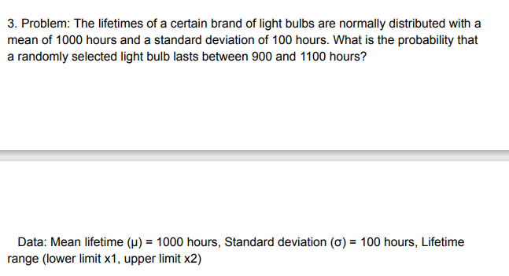

z = (x-μ)/σ

x = 1100

z = (x-μ)/σ | 1
 | p ( z < 1 ) | 0.8413

x = 900

z = (x-μ)/σ | 2
 | p ( z > 2 ) | 0.9772

Probability | x2 - x1

Probability | 0.1359

mean | 100

standard deviation | 200

z = (x-μ)/σ

x = 170 g

z = (x-μ)/σ | 0.35
 | p ( z < 1 ) | 0.6179

x = 150 g

z = (x-μ)/σ | 0.25
 | p ( z > 2 ) | 1- p ( z < 1 )

 | p ( z > 2 ) | 0.3821

p (150 < x < 170 ) = p ( x < 170 ) - p ( x < 150 )

p (150 < x < 170 ) |  | 0.2358

Probability | 0.2358

